Store Warranty Claims
 |  |  | Store Warranty Form |  |  | INSTRUCTIONS: | 1. Complete this form with all required information
Store Name: |  |  |  |  |  |  | 2. Email the completed form to help@interexind.ca (Subject: "<your store name> Darn Tough Claims") along with a picture of socks.
Contact Name: |  |  |  |  |  |  | 3. Subject to approval, credit will be issued for your discounted cost of each style within 30 business days of receipt
Date: |  |  |  |  |  |  | 4.Warranties must be submitted electronically using this form (please do not hand write on this sheet) along with a picture of socks.
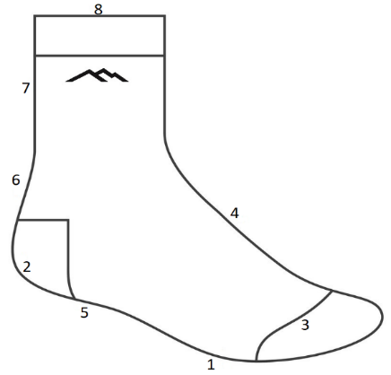
Store Ref#:

Claim Reason | Quantity | Style | Color | Size | Damage Area (see image) | Damage Type | Degree of Usage
1-Durability |  |  |  | XS | 1-Ball of foot | 1-Worn Out | N-New
2-Fit |  |  |  | S | 2-Heel | 2-Missing Material (Yarn-out) | 1-Light
3-Comfort |  |  |  | M | 3-Toe | 3-Rip/Tear | 2-Medium
N-None of the Above |  |  |  | L | 4-Top of foot | 4-Hole | 3-Heavy
 |  |  |  | XL | 5-In Front of heel | 5-Seam Break
 |  |  |  | XXL | 6-Above back of heel | 6-Missing Elastic
 |  |  |  |  | 7-Leg | N-None
 |  |  |  |  | 8-Cuff
 |  |  |  |  | N-None

Claim Reason | Quantity | Style Received | Color | Size | Damage Area | Damage Type | Degree of Usage | Date Received | Style # replaced with | Size | Date Replaced
EXAMPLE:
2 | 1 | 1403 | Lime | M | 2 | 1 | 3 | 24-Dec-2016 |  |  | 26-Dec-2016

Total Pairs: | 0 |  |  | Claim Date:

Terms and Conditions
DTV reserves the right to deny any claims it deems questionable
Incomplete Claim Forms may not be eligible for credit
Claims must be submitted at least once per calendar quarter; claims more than 3 months old may be denied

 |  |  | Distributed in Canada by: Interex Industries Ltd. 114 West 8th Avenue, Vancouver, BC, V5Y 1N2, Canada
 |  |  |  | 1-800-663-8613

